PD Entry Screens
LETTERS IN THE CIRCLES CORRESPOND TO THE COLUMNS ON THE "VEHICLE SCHEDULE" TAB

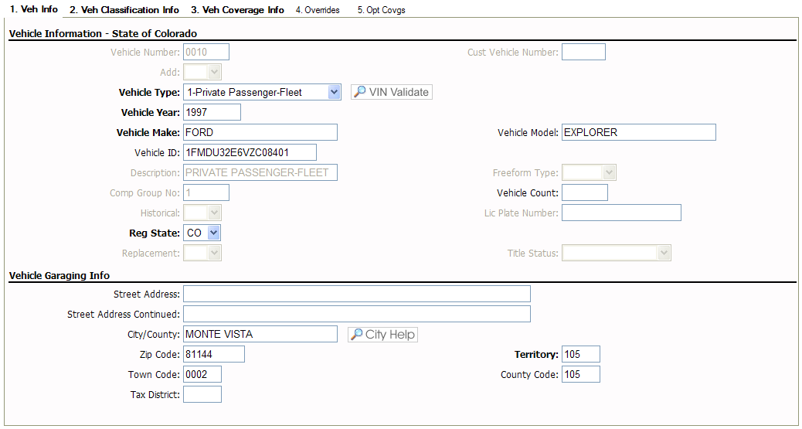
C
I
M
L
K
J
D
E
F
G
H
N
B

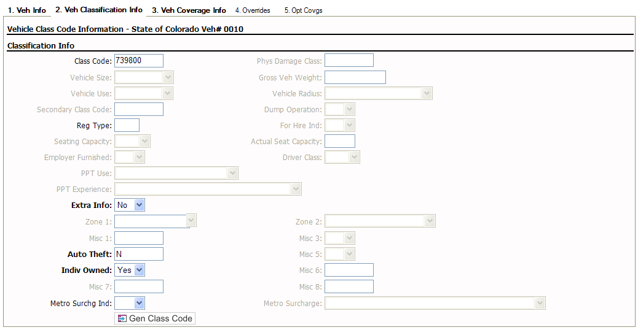
O
P
Q
R
S
T

U

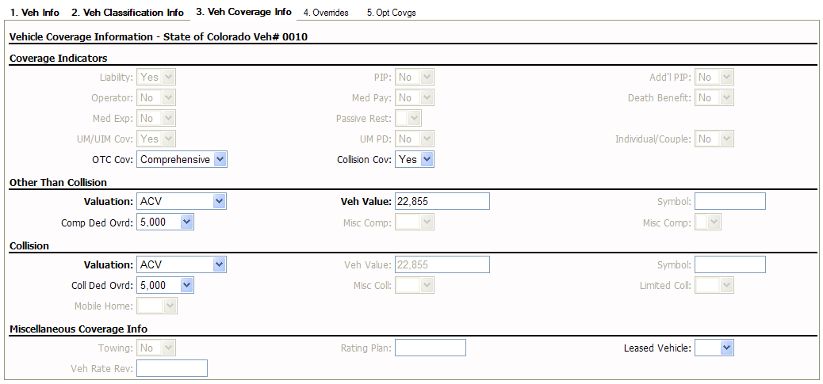
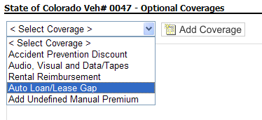
Y
AC
AA
AD
X
W
AE
V
Z
AJ
AB
AH1
AF
AI
AG

AK

AL
AN
AM

AO
AP

Cell T2

Cell S2

